Step 2 of task 3.6
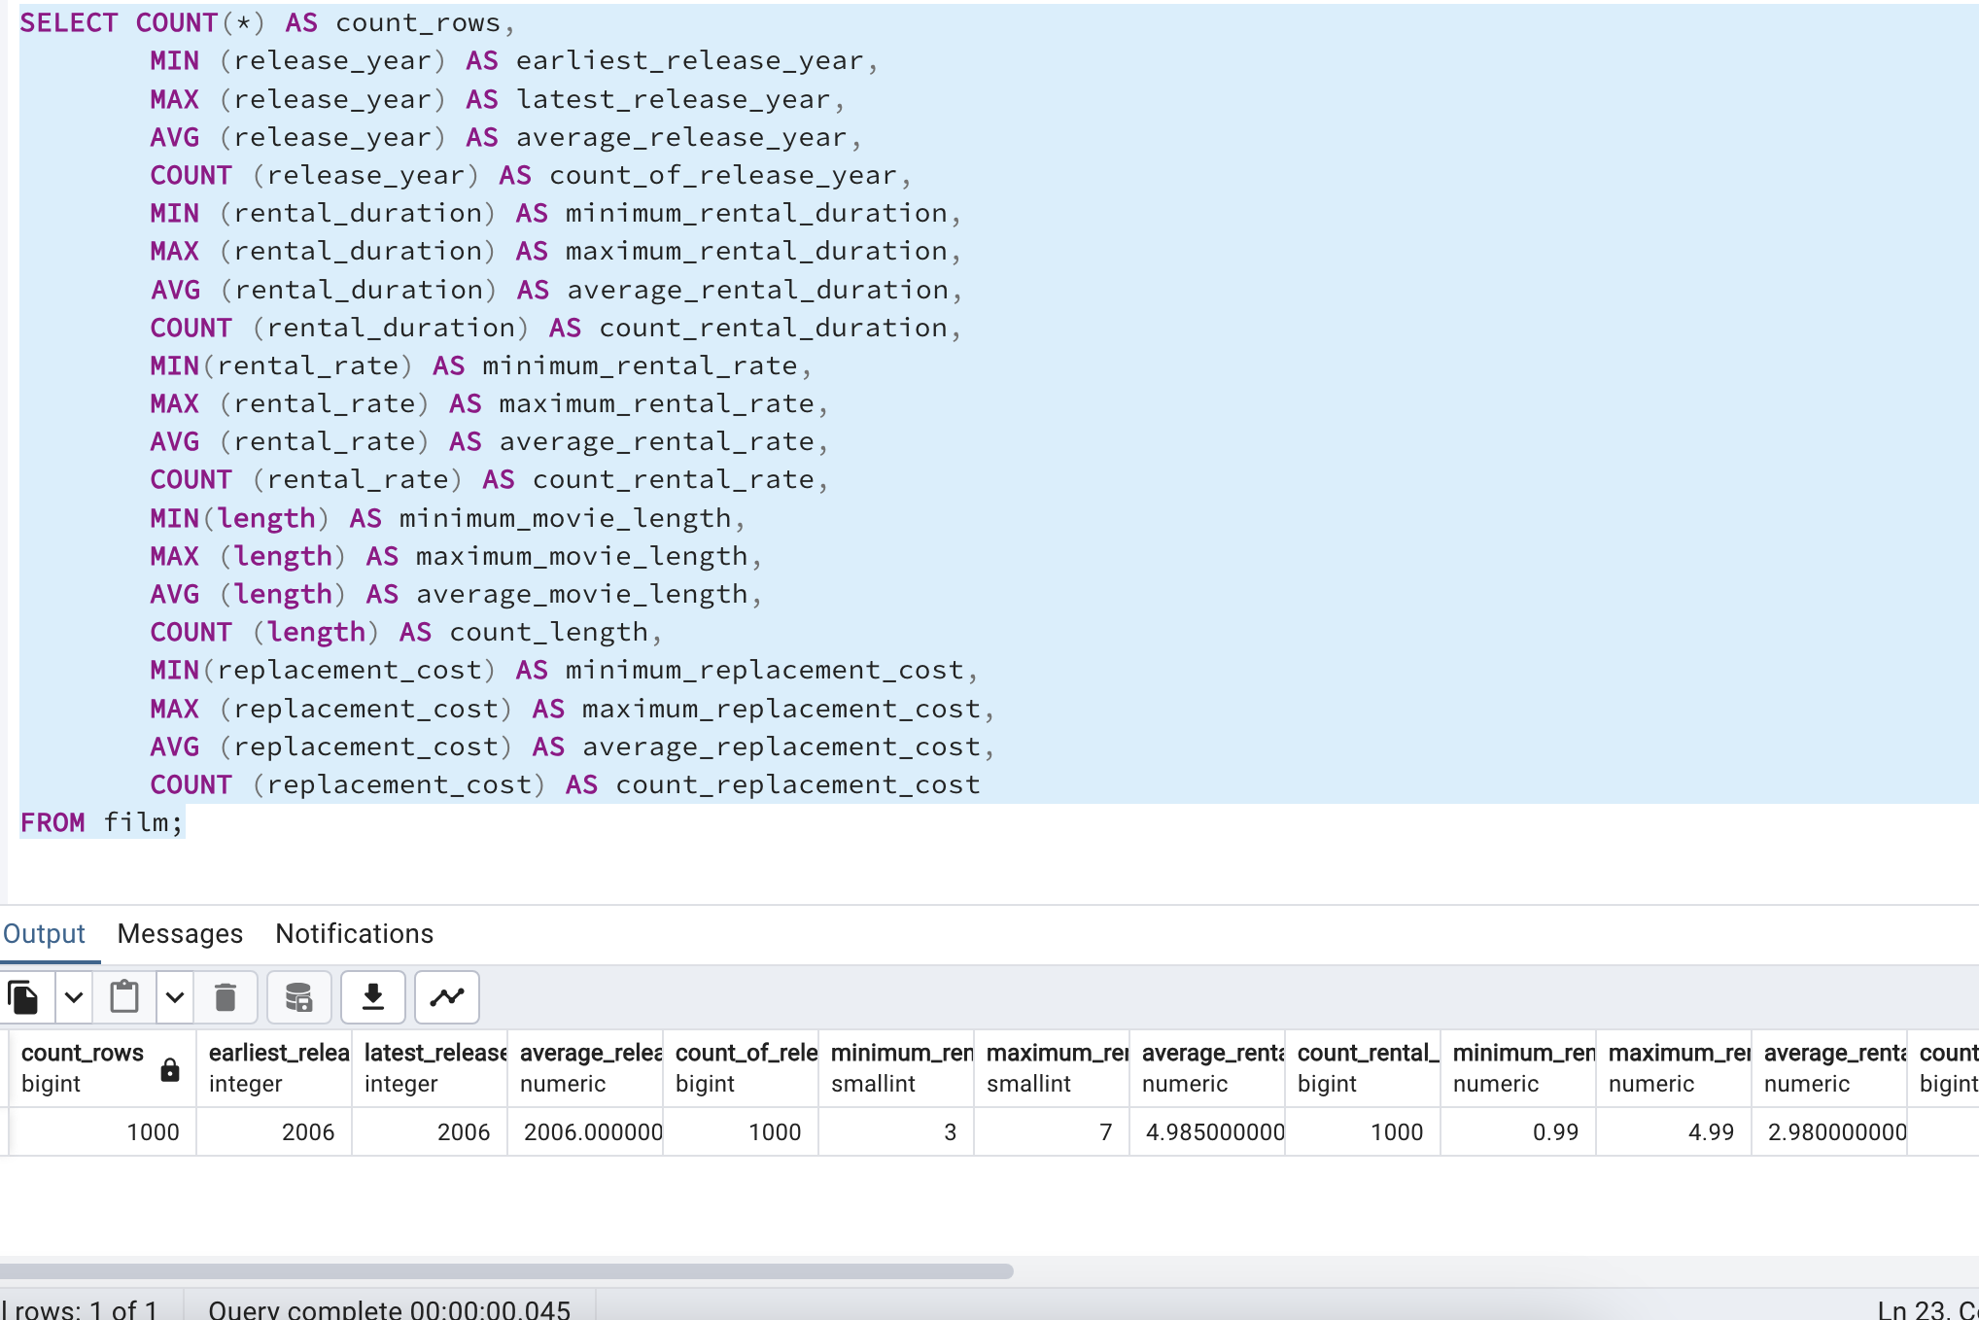

count_rows | earliest_release_year | latest_release_year | average_release_year | count_of_release_year | minimum_rental_duration | maximum_rental_duration | average_rental_duration | count_rental_duration | minimum_rental_rate | maximum_rental_rate | average_rental_rate | count_rental_rate | minimum_movie_length | maximum_movie_length | average_movie_length | count_length | minimum_replacement_cost | maximum_replacement_cost | average_replacement_cost | count_replacement_cost
1000 | 2006 | 2006 | 2006 | 1000 | 3 | 7 | 4.985 | 1000 | 0.99 | 4.99 | 2.98 | 1000 | 46 | 185 | 115.272 | 1000 | 9.99 | 29.99 | 19.984 | 1000

Step 1 of task 3.7
